Sheet1
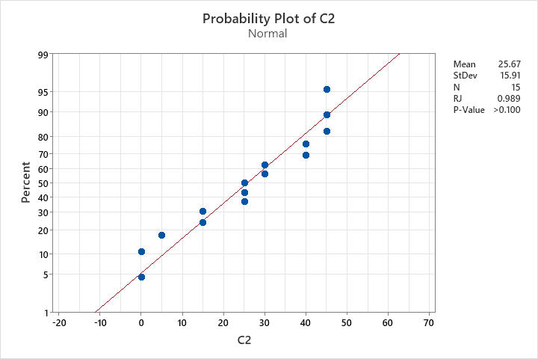
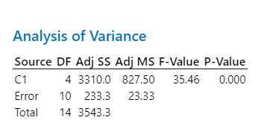
Isolate Code in Triplicates | No. of Dead Larvae | Percent Mortality | Legend: | Statistical Analysis
1 | 5 | 25% | 1=Aspergillus sp. | Results of Shapiro-Wilk test | Results of Analysis of Variance
1 | 6 | 30% | 2=Trichoderma sp.
1 | 5 | 25% | 3=Actinomortierella sp.
2 | 8 | 40% | 4=Talaromyces sp.
2 | 6 | 30% | 5=negative control
2 | 9 | 45%
3 | 3 | 15%
3 | 5 | 25%
3 | 3 | 15%
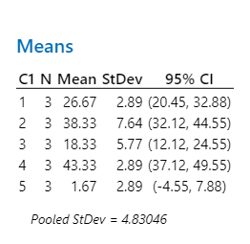
4 | 8 | 40%
4 | 9 | 45%
4 | 9 | 45%
5 | 0 | 0%
5 | 1 | 5%
5 | 0 | 0%

