PAL_2与MYB4
 |  |  |  |  |  |  | 阳性对照
分组 | pGreenII 0800-LUC-00805pro+pGreenII-62SK-MYB4 |  |  | pGreenII 0800-LUC-00805pro+pGreenII-62SK-空 |  |  | 分组 | pGreenII 0800-LUC-AtDFRpro+pGreenII-62SK-AtMYB75 |  | pGreenII 0800-LUC-AtDFRpro+pGreenII-62SK-空
Luc | 2067 | 1857 | 2054 | 3723 | 3857 | 3846 | Luc | 605123 | 581492 | 29693 | 28126
Ren | 14428370 | 13199480 | 13628497 | 10060435 | 10192163 | 11050915 | Ren | 23859060 | 23539730 | 24239132 | 22313856
Luc/Ren | 0.00014 | 0.00014 | 0.00015 | 0.00037 | 0.00038 | 0.00035 | Luc/Ren | 0.02536 | 0.02470 | 0.00123 | 0.00126
平均值 | 0.00014 |  |  | 0.00037 |  |  | 平均值 | 0.02503 |  | 0.00124
标准差 | 0.00001 |  |  | 0.00002 |  |  | 标准差 | 0.00047 |  | 0.00003
标准差/平均值 | 3.6% |  |  | 4.3% |  |  | 标准差/平均值 | 1.9% |  | 2.0%

 | 0800-LUC-00805pro+62SK-MYB4 | 0800-LUC-00805pro+62SK
Luc/Ren | 0.0001432594257 | 0.00037006352111
 | 0.00014068736041 | 0.00037842801376
 | 0.00015071361134 | 0.00034802548024

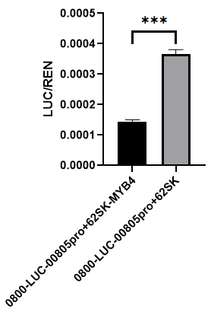
 | Column B | 0800-LUC-00805pro+62SK
 | vs. | vs.
 | Column A | 0800-LUC-00805pro+62SK-MYB4

 | Unpaired t test
 | P value | <0.0001
 | P value summary | ****
 | Significantly different (P < 0.05)? | Yes
 | One- or two-tailed P value? | Two-tailed
 | t, df | t=23.09, df=4

 | How big is the difference?
 | Mean of column A | 0.0001449
 | Mean of column B | 0.0003655
 | Difference between means (B - A) ± SEM | 0.0002206 ± 9.553e-006
 | 95% confidence interval | 0.0001941 to 0.0002471
 | R squared (eta squared) | 0.9926

 | F test to compare variances
 | F, DFn, Dfd | 9.095, 2, 2
 | P value | 0.1981
 | P value summary | ns
 | Significantly different (P < 0.05)? | No

 | Data analyzed
 | Sample size, column A | 3
 | Sample size, column B | 3

C4H与MYB4
 |  |  |  |  |  |  | 阳性对照
分组 | pGreenII 0800-LUC-01596pro+pGreenII-62SK-MYB4 |  |  | pGreenII 0800-LUC-01596pro+pGreenII-62SK-空 |  |  | 分组 | pGreenII 0800-LUC-AtDFRpro+pGreenII-62SK-AtMYB75 |  | pGreenII 0800-LUC-AtDFRpro+pGreenII-62SK-空
Luc | 8475 | 8908 | 9283 | 35552 | 38004 | 36111 | Luc | 1446052 | 1484318 | 55681 | 57926
Ren | 8645253 | 8200853 | 8116983 | 9213615 | 9398053 | 9430220 | Ren | 28543688 | 29073044 | 29203388 | 29909210
Luc/Ren | 0.00098 | 0.00109 | 0.00114 | 0.00386 | 0.00404 | 0.00383 | Luc/Ren | 0.05066 | 0.05105 | 0.00191 | 0.00194
平均值 | 0.00107 |  |  | 0.00391 |  |  | 平均值 | 0.05086 |  | 0.00192
标准差 | 0.00008 |  |  | 0.00012 |  |  | 标准差 | 0.00028 |  | 0.00002
标准差/平均值 | 7.7% |  |  | 3.0% |  |  | 标准差/平均值 | 0.5% |  | 1.1%

 | 0800-LUC-01596pro+62SK-MYB4 | 0800-LUC-01596pro+62SK
Luc/Ren | 0.00098030676488 | 0.0038586374621
 | 0.0010862284692 | 0.0040438163096
 | 0.0011436515267 | 0.0038292850008

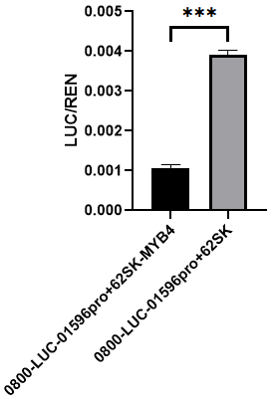
 | Column B | 0800-LUC-01596pro+62SK
 | vs. | vs.
 | Column A | 0800-LUC-01596pro+62SK-MYB4

 | Unpaired t test
 | P value | <0.0001
 | P value summary | ****
 | Significantly different (P < 0.05)? | Yes
 | One- or two-tailed P value? | Two-tailed
 | t, df | t=34.45, df=4

 | How big is the difference?
 | Mean of column A | 0.00107
 | Mean of column B | 0.003911
 | Difference between means (B - A) ± SEM | 0.002841 ± 8.245e-005
 | 95% confidence interval | 0.002612 to 0.003069
 | R squared (eta squared) | 0.9966

 | F test to compare variances
 | F, DFn, Dfd | 1.970, 2, 2
 | P value | 0.6733
 | P value summary | ns
 | Significantly different (P < 0.05)? | No

 | Data analyzed
 | Sample size, column A | 3
 | Sample size, column B | 3

