e. PCA - Eigenvalues + Chart
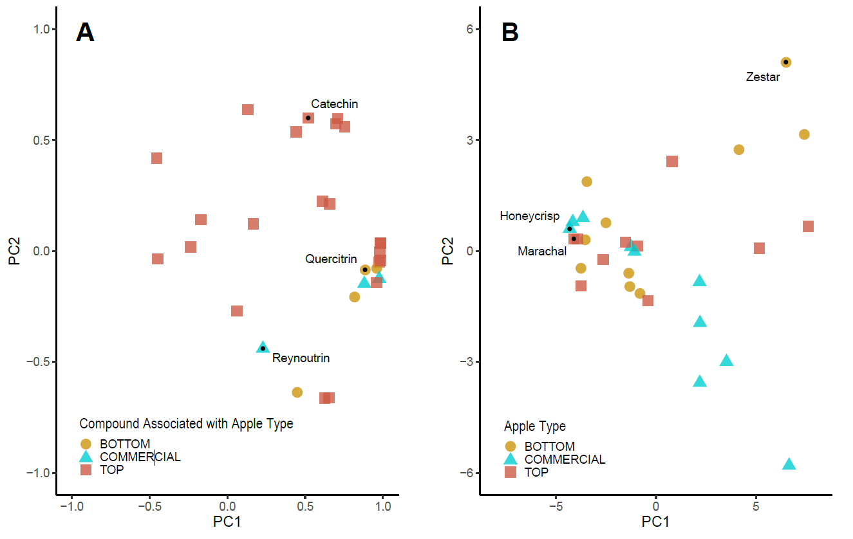
PC | eigenvalue | percentage of variance | cumulative percentage of variance
PC1 | 14.28 | 49.23 | 49.23
PC2 | 4.02 | 13.87 | 63.10
PC3 | 2.24 | 7.72 | 70.82
PC4 | 1.64 | 5.65 | 76.47
PC5 | 1.48 | 5.10 | 81.57
PC6 | 1.20 | 4.14 | 85.71
PC7 | 1.06 | 3.64 | 89.35
PC8 | 0.84 | 2.90 | 92.26
PC9 | 0.57 | 1.96 | 94.22
PC10 | 0.48 | 1.65 | 95.87

 |  |  |  | PCA Fig. Principal component analysis of putative phenolic compounds in 30 apple accessions. PC1 and PC2 represent 14% and 4% of the variation between accessions due to phenolic profile. (A) Plot of the putative phenolic compounds highlighted according to their association with high total phenolic content (TPC) and total antioxidant capacity (TAC) apples (red), low TPC and TAC apples (yellow), or commercial apple cultivars (blue). (B) Plot of the ten apples with the highest TPC and TAC (red squares) vs. the lowest TPC and TAC (yellow dots), alongside ten commercial apple cultivars (blue triangles). Select data points are labeled.

